Sheet1
https://www.economist.com/blogs/graphicdetail/2017/08/daily-chart-19
 |  | Repoted deaths (thousands) | Number of disasters
1900 | 1900 | 480 | 2
1905 | 1905 | 320 | 3
1910 |  | 400 | 5
1915 |  | 430 | 8
1920 |  | 510 | 9
1925 | 1925 | 520 | 10
1930 |  | 490 | 11
1935 |  | 450 | 12
1940 |  | 470 | 13
1945 |  | 260 | 15
1950 | 1950 | 180 | 20
1955 |  | 190 | 23
1960 |  | 195 | 30
1965 |  | 199 | 50
1970 | 1970 | 185 | 70
1975 |  | 120 | 72
1980 |  | 90 | 103
1985 | 1985 | 70 | 110
1990 |  | 60 | 202
1995 |  | 70 | 230
2000 |  | 70 | 300
2005 | 2005 | 60 | 430
2010 |  | 50 | 400
2011 | 2011 | 40 | 380

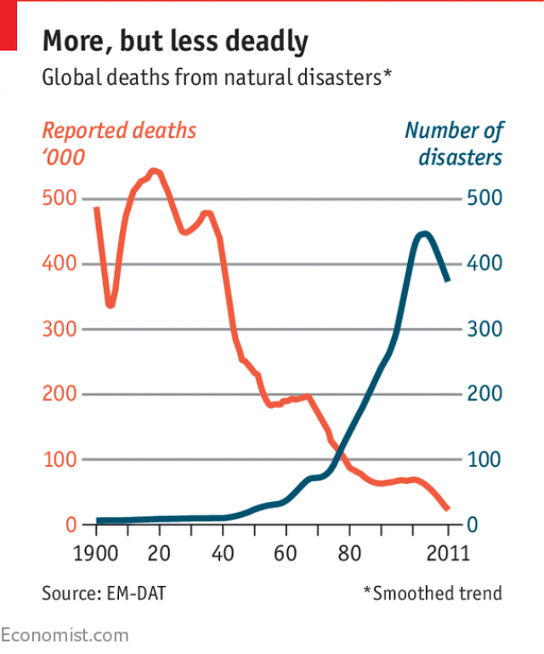
Repoted deaths (thousands)
Number of disasters
1
2
3
4

